BuildingSummary
Building Summary Quick Service Restaurant new construction
 |  | Value | Data Source
Program
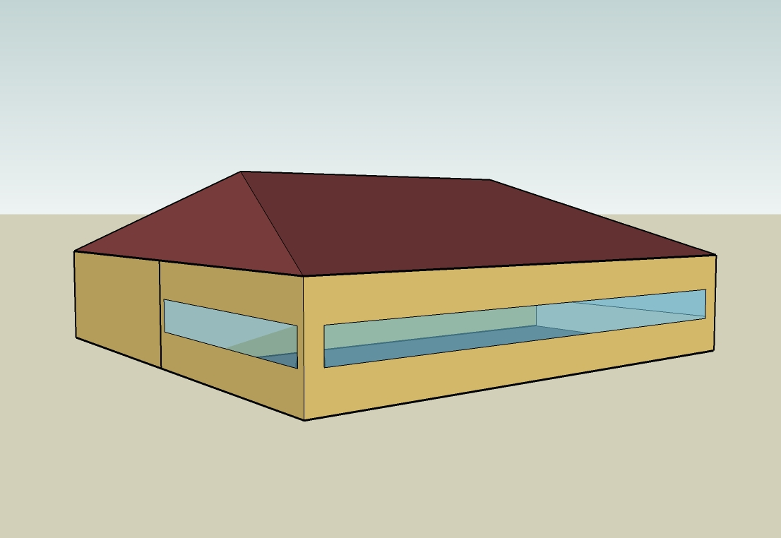
 | Building Name | Benchmark Quick Service New
 | Available Fuel Types | gas, electricity
 | Principal Building Activity | Food Service
Form |  |  | Time Saver Standards; FF Restaurant studies (EPRI, MEOS, LBL) cited in Huang et al. 1991 for all Form parameters
 | Total Floor Area (m2) | 232
 | Building Shape | Rectangle
 | Aspect Ratio | 1.00
 | Number of Floors | 1.00
 | Window Fraction (Window to Wall Ratio)
 | South | 0.28
 | East | 0.14
 | North | 0
 | West | 0.14
 | Total | 0.14
 | Skylight/TDD Percentage | 0.0
 | Shading Geometry | None
 | Azimuth | 0.00
 | Thermal Zoning | 2 zones plus attic
 | Floor to Ceiling Height (m) | 3.048
 | Roof type | Attic | 2003 CBECS
Fabric
 | Exterior walls
 | Construction Type | Wood-Framed | 2003 CBECS
 | Gross Dimensions - Total Area (m2) | 185.9
 | Net Dimensions - Total Area (m2) | 159.90
 | Wall to Skin Ratio | 0.42
 | Roof
 | Construction Type | Attic | 2003 CBECS
 | Gross Dimensions - Total Area (m2) | 258.86
 | Net Dimensions - Total Area (m2) | 258.86
 | Roof to Skin Ratio | 0.58
 | Window Dimensions (m2) |  | Time Saver Standards; FF Restaurant studies (EPRI, MEOS, LBL) cited in Huang et al. 1991
 | South | 13.01
 | East | 6.51
 | North | 0.00
 | West | 6.51
 | Total Area (m2) | 26.03
 | Operable area (m2) | 0.00
 | Skylights/TDD
 | Dimensions - Total Area (m2) | 0.00
 | Operable area (m2) | 0.00
 | Foundation
 | Foundation Type | Mass Floor
 | Construction | 4-in slab-on-grade
 | Dimensions - Total Area (m2) | 232.2
 | Interior Partitions
 | Construction | 2x4 steel-frame with gypsum board
 | Dimensions - Total Area (m2)
 | Internal Mass
 | Construction | 15 cm wood
 | Dimensions - Total Area (m2) | 46.47
 | Thermal diffusivity (m2/s) | 1.84E-07
 | Air Barrier System |  | See Benchmark Technical Report
 | Infiltration (ACH) | 0.64
HVAC |  |  | 2003 CBECS
 | System Type | PSZ-AC | 2003 CBECS
 | Heating Type | Gas furnace | 2003 CBECS
 | Cooling Type | Unitary DX | 2003 CBECS
 | Fan Control | Constant volume
 | Service Water Heating
 | SWH Type | Storage Tank
 | Fuel | Natural Gas | Standard 90.1-2004
 | Thermal Efficiency (%) | 80.00
 | Temperature Setpoint (ºC ) | 140
 | Water Consumption (m3 ) | 413.75

Picture
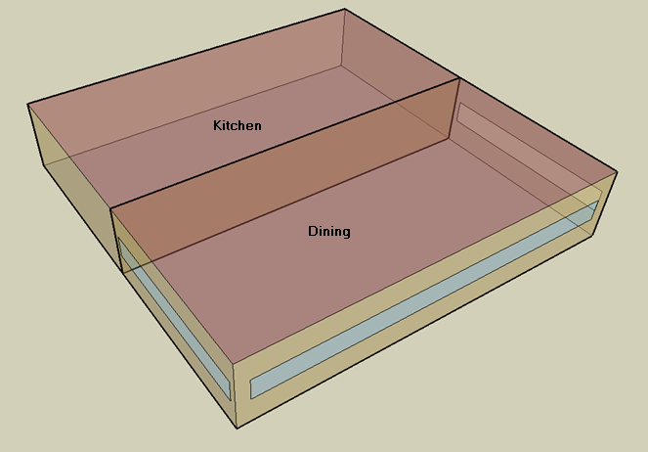
DOE Commercial Building Benchmark - Quick Service Restaurant

Electricity
 | Heating | Cooling | Interior Lighting | Exterior Lighting | Interior Equipment | Exterior Equipment | Fans | Refrigeration
Miami | 0.00 | 42,511.11 | 26,644.44 | 4,416.67 | 113,711.11 | 0.00 | 16,227.78 | 19,161.11
Houston | 0.00 | 30,077.78 | 26,644.44 | 4,408.33 | 113,711.11 | 0.00 | 16,386.11 | 18,291.67
Phoenix | 0.00 | 31,075.00 | 26,644.44 | 4,408.33 | 113,711.11 | 0.00 | 16,608.33 | 18,194.44
Atlanta | 0.00 | 16,108.33 | 26,644.44 | 4,413.89 | 113,711.11 | 0.00 | 16,172.22 | 17,438.89
Los Angeles | 0.00 | 4,288.89 | 26,644.44 | 4,413.89 | 113,711.11 | 0.00 | 15,455.56 | 17,480.56
Las Vegas | 0.00 | 20,911.11 | 26,644.44 | 4,408.33 | 113,711.11 | 0.00 | 16,255.56 | 17,591.67
San Francisco | 0.00 | 1,144.44 | 26,644.44 | 4,405.56 | 113,711.11 | 0.00 | 16,113.89 | 16,677.78
Baltimore | 0.00 | 12,316.67 | 26,644.44 | 4,408.33 | 113,711.11 | 0.00 | 16,086.11 | 16,883.33
Albuquerque | 0.00 | 8,986.11 | 26,644.44 | 4,408.33 | 113,711.11 | 0.00 | 17,227.78 | 16,797.22
Seattle | 0.00 | 1,683.33 | 26,644.44 | 4,402.78 | 113,711.11 | 0.00 | 15,552.78 | 16,333.33
Chicago | 0.00 | 8,813.89 | 26,644.44 | 4,402.78 | 113,711.11 | 0.00 | 16,208.33 | 16,508.33
Boulder | 0.00 | 5,780.56 | 26,644.44 | 4,402.78 | 113,711.11 | 0.00 | 17,175.00 | 16,366.67
Minneapolis | 0.00 | 7,766.67 | 26,644.44 | 4,405.56 | 113,711.11 | 0.00 | 16,291.67 | 16,344.44
Helena | 0.00 | 3,200.00 | 26,644.44 | 4,400.00 | 113,711.11 | 0.00 | 16,758.33 | 15,997.22
Duluth | 0.00 | 2,691.67 | 26,644.44 | 4,400.00 | 113,711.11 | 0.00 | 16,116.67 | 15,758.33
Fairbanks | 0.00 | 1,002.78 | 26,644.44 | 4,375.00 | 113,711.11 | 0.00 | 16,552.78 | 15,419.44

Gas
 | Heating | Interior Equipment | Water Systems
Miami | 3,420.00 | 563,910.00 | 42,610.00
Houston | 78,020.00 | 563,910.00 | 51,960.00
Phoenix | 50,580.00 | 563,910.00 | 46,590.00
Atlanta | 154,700.00 | 563,910.00 | 60,970.00
Los Angeles | 30,460.00 | 563,910.00 | 59,220.00
Las Vegas | 91,340.00 | 563,910.00 | 53,060.00
San Francisco | 109,510.00 | 563,910.00 | 66,930.00
Baltimore | 290,970.00 | 563,910.00 | 68,040.00
Albuquerque | 188,220.00 | 563,910.00 | 66,700.00
Seattle | 240,760.00 | 563,910.00 | 71,730.00
Chicago | 424,660.00 | 563,910.00 | 74,260.00
Boulder | 292,460.00 | 563,910.00 | 73,940.00
Minneapolis | 571,590.00 | 563,910.00 | 79,630.00
Helena | 453,120.00 | 563,910.00 | 80,600.00
Duluth | 720,930.00 | 563,910.00 | 88,480.00
Fairbanks | 1,200,710.00 | 563,910.00 | 99,200.00

EUI
 | Cooling (elec) | Interior Lighting (elec) | Exterior Lighting (elec) | Interior Equipment (elec) | Fans (elec) | Refrigeration (elec) | Heating (gas) | Interior Equipment (gas) | Water Systems (gas)
Miami | 658.69 | 412.84 | 68.43 | 1761.90 | 251.44 | 296.89 | 14.72 | 2427.09 | 183.40
Houston | 466.04 | 412.84 | 68.31 | 1761.90 | 253.90 | 283.42 | 335.80 | 2427.09 | 223.64
Phoenix | 481.49 | 412.84 | 68.31 | 1761.90 | 257.34 | 281.91 | 217.70 | 2427.09 | 200.53
Atlanta | 249.59 | 412.84 | 68.39 | 1761.90 | 250.58 | 270.21 | 665.83 | 2427.09 | 262.42
Los Angeles | 66.45 | 412.84 | 68.39 | 1761.90 | 239.48 | 270.85 | 131.10 | 2427.09 | 254.89
Las Vegas | 324.01 | 412.84 | 68.31 | 1761.90 | 251.87 | 272.57 | 393.13 | 2427.09 | 228.37
San Francisco | 17.73 | 412.84 | 68.26 | 1761.90 | 249.68 | 258.41 | 471.34 | 2427.09 | 288.07
Baltimore | 190.84 | 412.84 | 68.31 | 1761.90 | 249.25 | 261.60 | 1252.35 | 2427.09 | 292.85
Albuquerque | 139.24 | 412.84 | 68.31 | 1761.90 | 266.94 | 260.27 | 810.11 | 2427.09 | 287.08
Seattle | 26.08 | 412.84 | 68.22 | 1761.90 | 240.98 | 253.08 | 1036.24 | 2427.09 | 308.73
Chicago | 136.57 | 412.84 | 68.22 | 1761.90 | 251.14 | 255.79 | 1827.75 | 2427.09 | 319.62
Boulder | 89.57 | 412.84 | 68.22 | 1761.90 | 266.12 | 253.59 | 1258.76 | 2427.09 | 318.24
Minneapolis | 120.34 | 412.84 | 68.26 | 1761.90 | 252.43 | 253.25 | 2460.14 | 2427.09 | 342.73
Helena | 49.58 | 412.84 | 68.18 | 1761.90 | 259.66 | 247.87 | 1950.25 | 2427.09 | 346.91
Duluth | 41.71 | 412.84 | 68.18 | 1761.90 | 249.72 | 244.17 | 3102.91 | 2427.09 | 380.82
Fairbanks | 15.54 | 412.84 | 67.79 | 1761.90 | 256.48 | 238.92 | 5167.90 | 2427.09 | 426.96

Water
 | Total Building | Water for Electricity (m3)
Miami | 414.19 | 117.96
Houston | 414.19 | 340.92
Phoenix | 414.19 | 6,256.91
Atlanta | 414.19 | 1,214.34
Los Angeles | 414.19 | 3,195.39
Las Vegas | 414.19 | 5,473.69
San Francisco | 414.19 | 3,137.51
Baltimore | 414.19 | 43.15
Albuquerque | 414.19 | 852.65
Seattle | 414.19 | 1,821.94
Chicago | 414.19 | 289.01
Boulder | 414.19 | 835.89
Minneapolis | 414.19 | 287.27
Helena | 414.19 | 11,447.00
Duluth | 414.19 | 278.21
Fairbanks | 414.19 | 181.56

Carbon
 | Carbon Equivalent (kg)
Miami | 72,067.40
Houston | 82,401.14
Phoenix | 75,507.86
Atlanta | 73,968.86
Los Angeles | 33,054.80
Las Vegas | 80,066.71
San Francisco | 34,234.05
Baltimore | 67,928.91
Albuquerque | 91,471.78
Seattle | 28,792.30
Chicago | 118,484.85
Boulder | 91,973.60
Minneapolis | 85,292.74
Helena | 85,831.78
Duluth | 86,146.47
Fairbanks | 83,613.70

LghtSch
Lighting Schedules
 | Weekday | Saturday | Sunday
 | 0.45 | 0.45 | 0.45
 | 0.15 | 0.15 | 0.15
 | 0.15 | 0.15 | 0.15
 | 0.15 | 0.15 | 0.15
 | 0.15 | 0.15 | 0.15
 | 0.45 | 0.45 | 0.45
 | 0.9 | 0.9 | 0.9
 | 0.9 | 0.9 | 0.9
 | 0.9 | 0.9 | 0.9
 | 0.9 | 0.9 | 0.9
 | 0.9 | 0.9 | 0.9
 | 0.9 | 0.9 | 0.9
 | 0.9 | 0.9 | 0.9
 | 0.9 | 0.9 | 0.9
 | 0.9 | 0.9 | 0.9
 | 0.9 | 0.9 | 0.9
 | 0.9 | 0.9 | 0.9
 | 0.9 | 0.9 | 0.9
 | 0.9 | 0.9 | 0.9
 | 0.9 | 0.9 | 0.9
 | 0.9 | 0.9 | 0.9
 | 0.9 | 0.9 | 0.9
 | 0.9 | 0.9 | 0.9
 | 0.9 | 0.9 | 0.9

KitchElecSch
Kitchen Equipment Schedules
 | Weekday | Saturday | Sunday
 | 0.1 | 0.1 | 0.1
 | 0.1 | 0.1 | 0.1
 | 0.1 | 0.1 | 0.1
 | 0.1 | 0.1 | 0.1
 | 0.1 | 0.1 | 0.1
 | 0.1 | 0.1 | 0.1
 | 0.35 | 0.35 | 0.35
 | 0.35 | 0.35 | 0.35
 | 0.25 | 0.25 | 0.25
 | 0.25 | 0.25 | 0.25
 | 0.35 | 0.35 | 0.35
 | 0.35 | 0.35 | 0.35
 | 0.35 | 0.35 | 0.35
 | 0.35 | 0.35 | 0.35
 | 0.25 | 0.25 | 0.25
 | 0.25 | 0.25 | 0.25
 | 0.25 | 0.25 | 0.25
 | 0.35 | 0.35 | 0.35
 | 0.35 | 0.35 | 0.35
 | 0.35 | 0.35 | 0.35
 | 0.25 | 0.25 | 0.25
 | 0.25 | 0.25 | 0.25
 | 0.25 | 0.25 | 0.25
 | 0.25 | 0.25 | 0.25

KitchGasSch
Kitchen Gas Equipment Schedule
 | Other
 | 0.02
 | 0.02
 | 0.02
 | 0.02
 | 0.02
 | 0.03
 | 0.09
 | 0.14
 | 0.1
 | 0.1
 | 0.22
 | 0.27
 | 0.24
 | 0.21
 | 0.14
 | 0.13
 | 0.15
 | 0.17
 | 0.17
 | 0.17
 | 0.15
 | 0.14
 | 0.12
 | 0.02

DinHeatSch
Dining Heating Set Point Schedules
 | Weekday | Saturday | Sunday
 | 21 | 21 | 21
 | 15.6 | 15.6 | 15.6
 | 15.6 | 15.6 | 15.6
 | 15.6 | 15.6 | 15.6
 | 15.6 | 15.6 | 15.6
 | 21 | 21 | 21
 | 21 | 21 | 21
 | 21 | 21 | 21
 | 21 | 21 | 21
 | 21 | 21 | 21
 | 21 | 21 | 21
 | 21 | 21 | 21
 | 21 | 21 | 21
 | 21 | 21 | 21
 | 21 | 21 | 21
 | 21 | 21 | 21
 | 21 | 21 | 21
 | 21 | 21 | 21
 | 21 | 21 | 21
 | 21 | 21 | 21
 | 21 | 21 | 21
 | 21 | 21 | 21
 | 21 | 21 | 21
 | 21 | 21 | 21

DinCoolSch
Dining Cooling Set Point Schedules
 | Weekday | Saturday | Sunday
 | 24 | 24 | 24
 | 30 | 30 | 30
 | 30 | 30 | 30
 | 30 | 30 | 30
 | 30 | 30 | 30
 | 24 | 24 | 24
 | 24 | 24 | 24
 | 24 | 24 | 24
 | 24 | 24 | 24
 | 24 | 24 | 24
 | 24 | 24 | 24
 | 24 | 24 | 24
 | 24 | 24 | 24
 | 24 | 24 | 24
 | 24 | 24 | 24
 | 24 | 24 | 24
 | 24 | 24 | 24
 | 24 | 24 | 24
 | 24 | 24 | 24
 | 24 | 24 | 24
 | 24 | 24 | 24
 | 24 | 24 | 24
 | 24 | 24 | 24
 | 24 | 24 | 24

KitchHeatSch
Kitchen Heating Set Point Schedules
 | Weekday | Saturday | Sunday
 | 19 | 19 | 19
 | 15.6 | 15.6 | 15.6
 | 15.6 | 15.6 | 15.6
 | 15.6 | 15.6 | 15.6
 | 15.6 | 15.6 | 15.6
 | 19 | 19 | 19
 | 19 | 19 | 19
 | 19 | 19 | 19
 | 19 | 19 | 19
 | 19 | 19 | 19
 | 19 | 19 | 19
 | 19 | 19 | 19
 | 19 | 19 | 19
 | 19 | 19 | 19
 | 19 | 19 | 19
 | 19 | 19 | 19
 | 19 | 19 | 19
 | 19 | 19 | 19
 | 19 | 19 | 19
 | 19 | 19 | 19
 | 19 | 19 | 19
 | 19 | 19 | 19
 | 19 | 19 | 19
 | 19 | 19 | 19

KitchCoolSch
Kitchen Cooling Set Point Schedules
 | Weekday | Saturday | Sunday
 | 26 | 26 | 26
 | 30 | 30 | 30
 | 30 | 30 | 30
 | 30 | 30 | 30
 | 30 | 30 | 30
 | 26 | 26 | 26
 | 26 | 26 | 26
 | 26 | 26 | 26
 | 26 | 26 | 26
 | 26 | 26 | 26
 | 26 | 26 | 26
 | 26 | 26 | 26
 | 26 | 26 | 26
 | 26 | 26 | 26
 | 26 | 26 | 26
 | 26 | 26 | 26
 | 26 | 26 | 26
 | 26 | 26 | 26
 | 26 | 26 | 26
 | 26 | 26 | 26
 | 26 | 26 | 26
 | 26 | 26 | 26
 | 26 | 26 | 26
 | 26 | 26 | 26

